Irish Life Quote
https://www.pensionplanetinteractive.ie/ppi/public/pensionChoicePersonalDetails.action

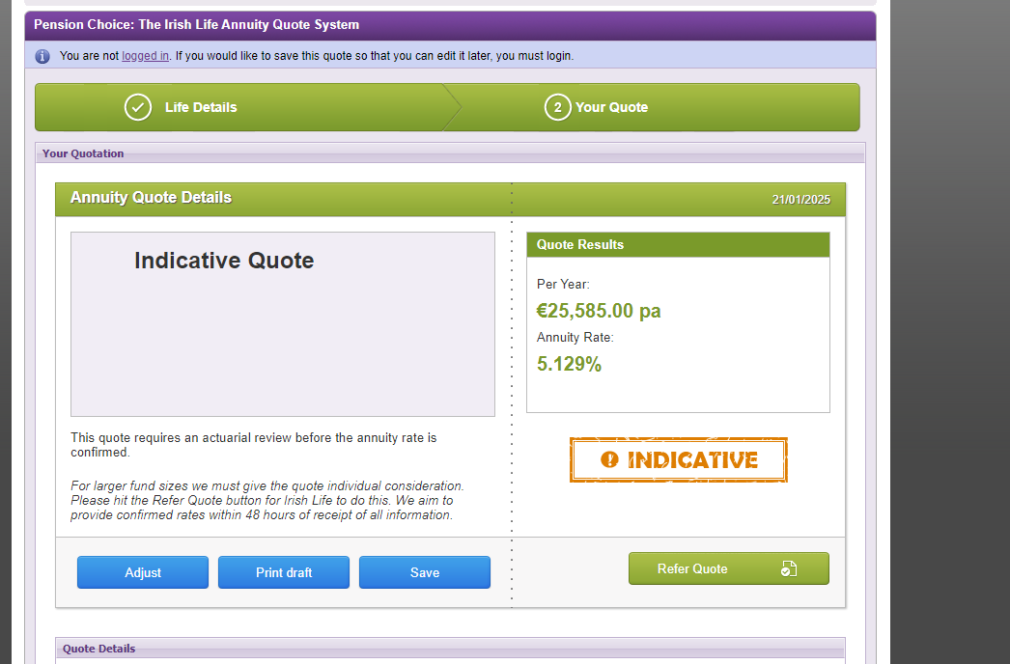

 | Rate | 5.129%
 | Factor per month | 233.96373562

CSO Calc
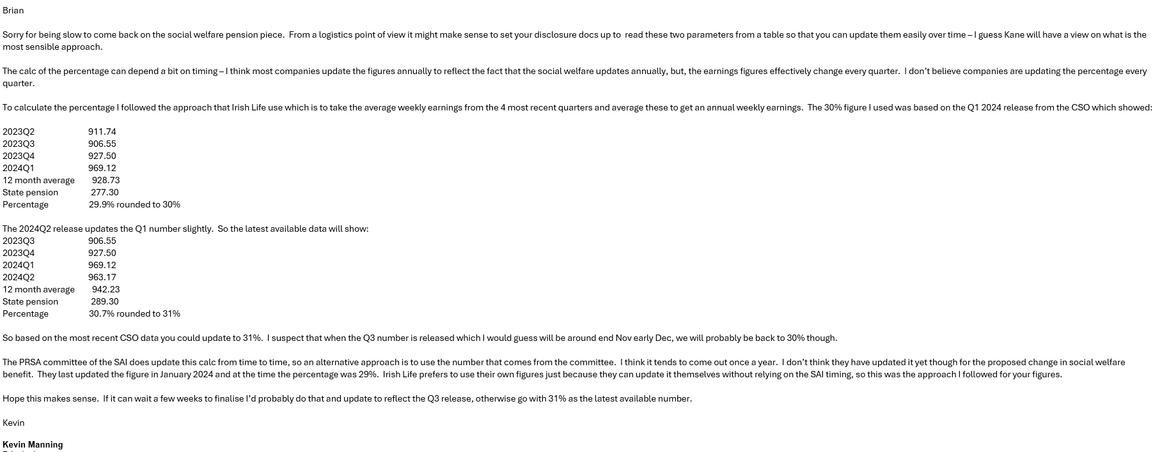
2024 Q4 | 979.71 | Earnings and Labour Costs Q3 2024 (Final) Q4 2024 (Preliminary Estimates) - Central Statistics Office
2025 Q1 | 1026.2 | Earnings and Labour Costs Q4 2024 (Final) Q1 2025 (Preliminary Estimates) - Central Statistics Office
2025 Q2 | 1015.43 | Earnings and Labour Costs Q1 2025 (Final) Q2 2025 (Preliminary Estimates) - Central Statistics Office
2025 Q3 | 1003.81 | Earnings and Labour Costs Q2 2025 (Final) Q3 2025 (Preliminary Estimates) - Central Statistics Office
12 Month Average | 1,006.29

State Pension Per week 2026 | 299 | 15,564
State Pension Per Year 2026 | 15,564
Income as % of State Pension | 29.74%

2023 Q4 | 921.81 | Earnings and Labour Costs Q3 2023 (Final) Q4 2023 (Preliminary Estimates) - Central Statistics Office
2024 Q1 | 969.12 | Earnings and Labour Costs Q4 2023 (Final) Q1 2024 (Preliminary Estimates) - Central Statistics Office
2024 Q2 | 963.17 | Earnings and Labour Costs Q1 2024 (Final) Q2 2024 (Preliminary Estimates) - Central Statistics Office
2024 Q3 | 955.49 | https://www.cso.ie/en/releasesandpublications/ep/p-elcq/earningsandlabourcostsq22024finalq32024preliminaryestimates/
12 Month Average | 952.40

State Pension Per week 2025 | 289 | 15,044 | 14,420
State Pension Per Year (2025) | 15043.6 | State Pension (Non-Contributory)
Income as % of State Pension | 30.38%

Calc is based on email from Milliman as follows:

